Process Initiation
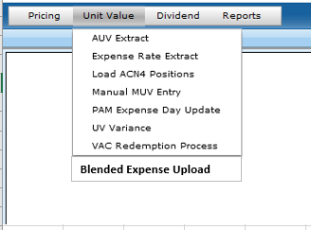
In VAA2 - Should we add a 5th item to the header for 'Expenses'?? (between Dividend and Reports)
Then option in Drop Down would be 'Blended Expense Process'
 | Making this selection would take the user to the new React app

Blended Expense Results
The 'Blended Expense Results' will be a data display screen
 | Need to be able to enter date; current date (or last calculated should be the default)
 | Filter abilities should be available for any column
 | Export to Excel for audit purposes

 |  | After initial design completed, we will look to add additional features including:
 |  |  | Multiple select capability
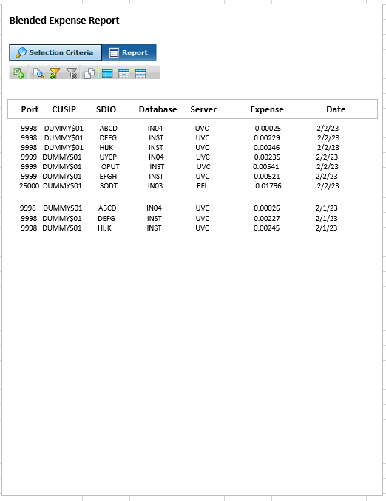

 |  |  |  | NOTES
 |  |  |  | Rounding of blended rate (how many decimals)
 |  |  |  | VAA2 table would have to store historical rates
 |  |  |  | Copy and paste report into excel
 |  |  |  | Export into excel
 |  |  |  | Date range for selection criteria

BLENDED EXP CALC
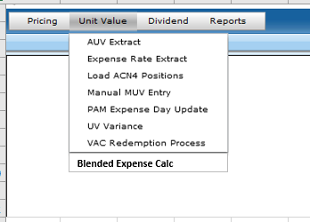
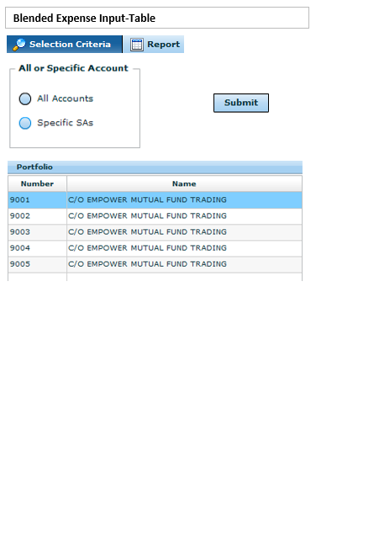
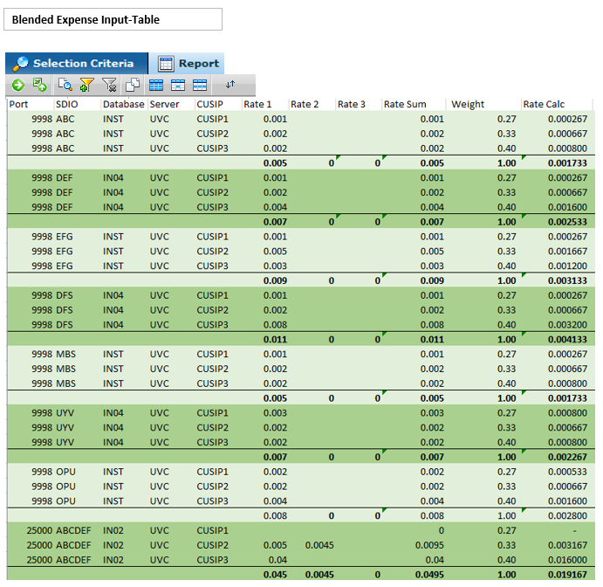
 |  |  |  |  |  |  |  |  |  |  |  | NOTES
 |  |  |  |  |  |  |  |  |  |  |  | * Commit button allows us to manually publish blended rate to UVC/PFI
 |  |  |  |  |  |  |  |  |  |  |  |  | Auto run should publish rates daily after create and load
 |  |  |  |  |  |  |  |  |  |  |  | *Once report is run, we would need to be able to update rate fields (ie rate change)
 |  |  |  |  |  |  |  |  |  |  |  | * The underlying CUSIPs should be linked to FL setup
 |  |  |  |  |  |  |  |  |  |  |  |  | This will account for fund changes, cusips swaps, etc
 |  |  |  |  |  |  |  |  |  |  |  |  | Ex: Port 25000 has a fund change and adds CUSIP4. CUSIP4 should pull into the table and we can update rate, if needed. CUSIP4 will also need to be included in weightings/rate calc

 |  |  |  |  |  |  |  |  |  |  |  | *Formulas below on worksheet

 |  |  |  |  |  |  |  |  |  |  |  | *Rate loads to UVC by using SDIO as indicator
 |  |  |  |  |  |  |  |  |  |  |  | *Rate loads to PFI by using port as indicator (will have to tie to a specific GL bucket/Expense header)

 |  |  |  |  |  |  | Systematic Calc | Systematic Calc | Sytematic Calc
Port | SDIO | Database | Server | CUSIP | M&E | ADMIN | TRUSTEE | Weight | M&E Calc | ADMIN Calc | TRUSTEE Calc
9998 | ABC | INST | UVC | CUSIP1 | 0.001 |  |  | 0.27 | 0.000267 | - | -
9998 | ABC | INST | UVC | CUSIP2 | 0.002 |  |  | 0.33 | 0.000667 | - | -
9998 | ABC | INST | UVC | CUSIP3 | 0.002 | 0.003 | 0.005 | 0.40 | 0.000800 | 0.001200 | 0.002000
 |  |  |  |  |  |  |  | 1.00 | 0.001733 | 0.001200 | 0.002000
9998 | DEF | IN04 | UVC | CUSIP1 | 0.001 |  |  | 0.27 | 0.000267 | - | -
9998 | DEF | IN04 | UVC | CUSIP2 | 0.002 |  | 0.003 | 0.33 | 0.000667 | - | 0.001000
9998 | DEF | IN04 | UVC | CUSIP3 | 0.004 |  |  | 0.40 | 0.001600 | - | -
 |  |  |  |  |  |  |  | 1.00 | 0.002533 | - | 0.001000
9998 | EFG | INST | UVC | CUSIP1 | 0.001 |  |  | 0.27 | 0.000267 | - | -
9998 | EFG | INST | UVC | CUSIP2 | 0.005 |  |  | 0.33 | 0.001667 | - | -
9998 | EFG | INST | UVC | CUSIP3 | 0.003 |  |  | 0.40 | 0.001200 | - | -
 |  |  |  |  |  |  |  | 1.00 | 0.003133 | - | -
9998 | DFS | IN04 | UVC | CUSIP1 | 0.001 |  |  | 0.27 | 0.000267 | - | -
9998 | DFS | IN04 | UVC | CUSIP2 | 0.002 |  | 0.002 | 0.33 | 0.000667 | - | 0.000667
9998 | DFS | IN04 | UVC | CUSIP3 | 0.008 |  |  | 0.40 | 0.003200 | - | -
 |  |  |  |  |  |  |  | 1.00 | 0.004133 | - | 0.000667
9998 | MBS | INST | UVC | CUSIP1 | 0.001 |  |  | 0.27 | 0.000267 | - | -
9998 | MBS | INST | UVC | CUSIP2 | 0.002 |  |  | 0.33 | 0.000667 | - | -
9998 | MBS | INST | UVC | CUSIP3 | 0.002 |  |  | 0.40 | 0.000800 | - | -
 |  |  |  |  |  |  |  | 1.00 | 0.001733 | - | -
9998 | UYV | IN04 | UVC | CUSIP1 | 0.003 |  |  | 0.27 | 0.000800 | - | -
9998 | UYV | IN04 | UVC | CUSIP2 | 0.002 |  |  | 0.33 | 0.000667 | - | -
9998 | UYV | IN04 | UVC | CUSIP3 | 0.002 |  |  | 0.40 | 0.000800 | - | -
 |  |  |  |  |  |  |  | 1.00 | 0.002267 | - | -
9998 | OPU | INST | UVC | CUSIP1 | 0.002 |  |  | 0.27 | 0.000533 | - | -
9998 | OPU | INST | UVC | CUSIP2 | 0.002 |  |  | 0.33 | 0.000667 | - | -
9998 | OPU | INST | UVC | CUSIP3 | 0.004 |  |  | 0.40 | 0.001600 | - | -
 |  |  |  |  |  |  |  | 1.00 | - | - | -
25000 | ABCDEF | IN02 | PFI | CUSIP1 |  |  |  | 0.27 | - | - | -
25000 | ABCDEF | IN02 | PFI | CUSIP2 | 0.005 |  |  | 0.33 | 0.001667 | - | -
25000 | ABCDEF | IN02 | PFI | CUSIP3 | 0.04 |  |  | 0.40 | 0.016000 | - | -
 |  |  |  |  |  |  |  | 1.00 | 0.017667 | - | -

BLENDED EXP REPORT
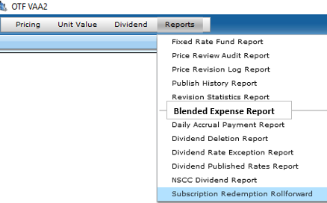
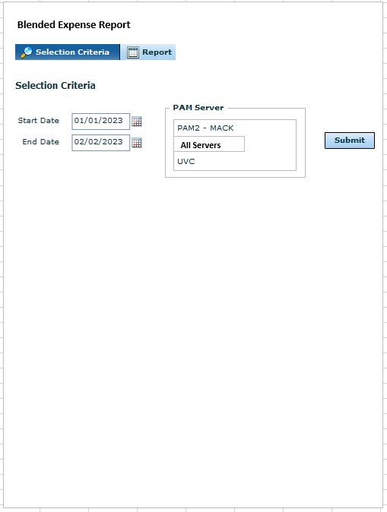
NOTES
Rounding of blended rate (how many decimals)
VAA2 table would have to store historical rates
Copy and paste report into excel
Export into excel
Date range for selection criteria

